freeze and thaw cycles in UK
source | https://obgyn.onlinelibrary.wiley.com/doi/10.1111/1471-0528.16025

Numbers below are eyeballed from Appendix II
 | Freezing cycles | Annual increase
2010 | 200
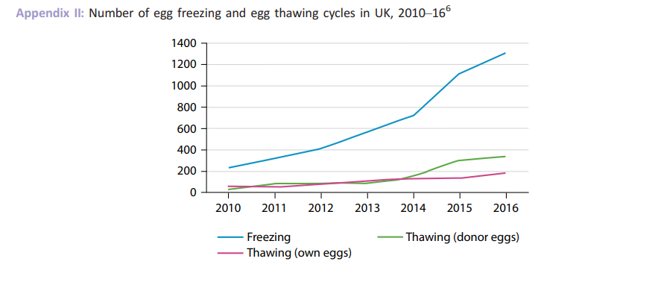
2011 | 300 | 50%
2012 | 400 | 33%
2013 | 600 | 50%
2014 | 700 | 17%
2015 | 1100 | 57%
2016 | 1300 | 18%
2017 |  | 37%
2018 |  | 37%
2019 |  | 37%
2020 |  | 37%
2021 |  | 37%
2022 |  | 37%

UK utilization numbers
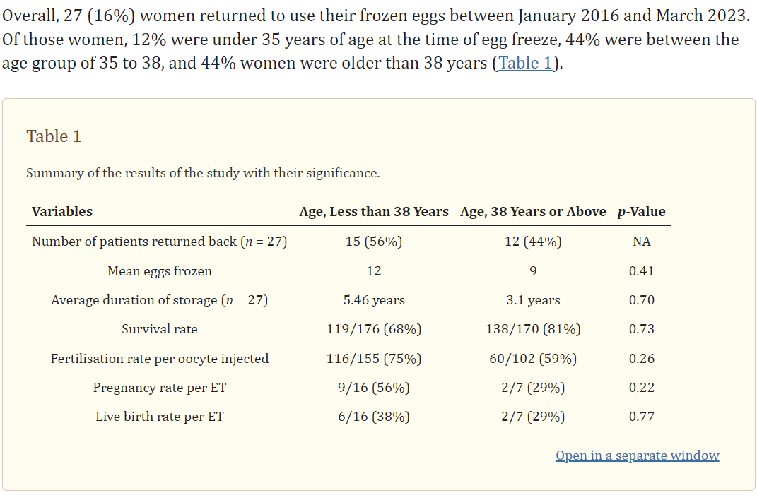
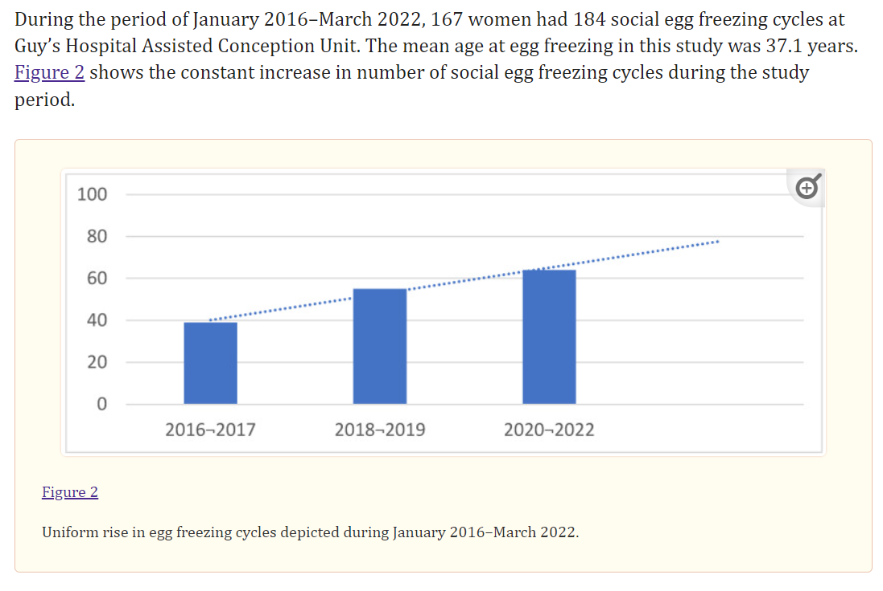
Source | https://www.ncbi.nlm.nih.gov/pmc/articles/PMC10342811/#B3-jcm-12-04182
 | # of egg freezing cycles | growth in # of cycles | per year estimate of growth in # of cycles | # of patients | # of retrievals | Modeled # of freezing cycles
Total | 184 |  |  | 167 | 27
 | numbers below are eyeballed from Figure 2 - note the bars don't seem to add to 184
2016-2017 | 40 |  |  |  |  | 42
2018-2019 | 57 | 43% | 19% |  |  | 64
2020-2022 | 65 | 14% | 7% |  |  | 77
total from eyeballed numbers | 162 |  |  |  |  | 184
% of retrievals | 15% |  | 16%
average # of years frozen (from Table 1) | 4.4216

